Process Information
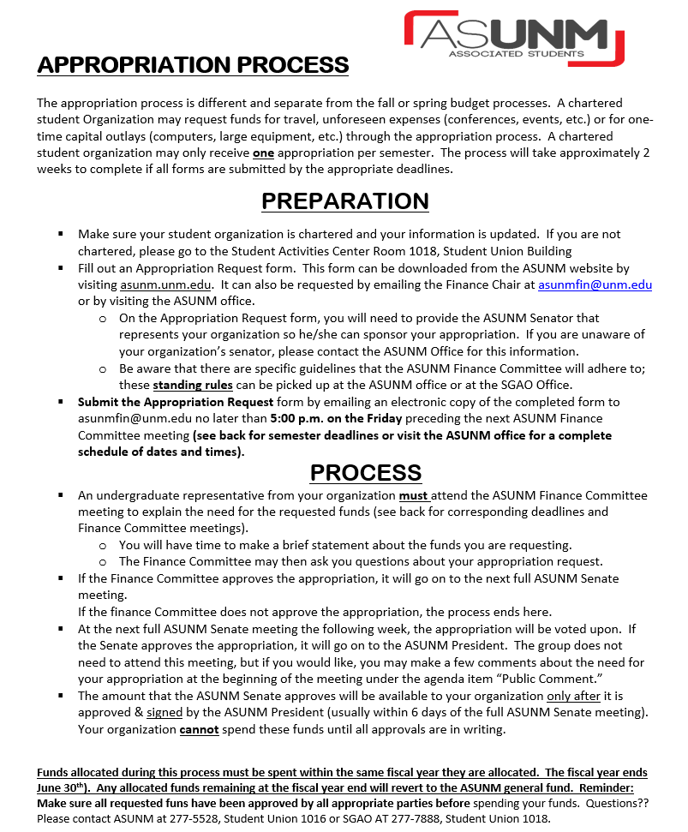

Schedule
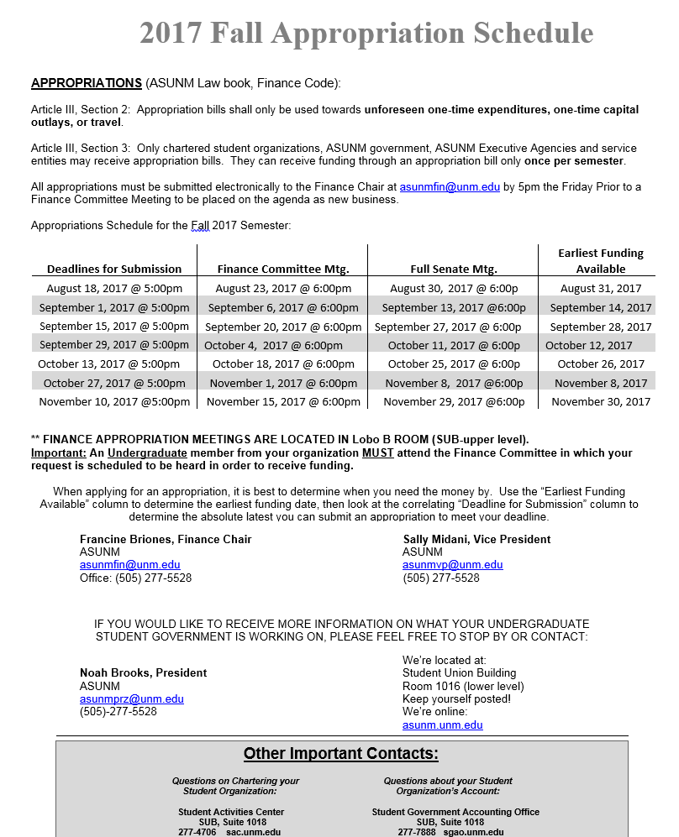

Appropriation Questionaire
SENATE APPROPRIATIONS BILL FUNDING REQUEST
SENATE APPROPRIATIONS BILL FUNDING REQUEST
 |  |  |  |  |  |  | Reminder: You MUST also fill out the Detail Sheet on the next tab.
 |  |  |  |  |  |  | Save ONLY as an Excel file.

CONTACT INFORMATION

Name of Organization |  |  |  |  | Date

Campus Address |  |  |  |  | Sponsoring Senator

Save file with your organization's name, e.g.,
The Billy Club
Primary Contact Name |  | Phone Number |  |  | Email Address

Secondary Contact Name |  | Phone Number |  |  | Email Address

Number of Active Members
 | Undergraduate |  | Graduate |  |  | Other

STUDENT ORGANIZATION INFORMATION (Please select all of the following that apply).
The student group requesting appropriation funding:

If your student group received previous funding from ASUNM, please provide information regarding
(1) the amount approved, (2) the semester applied, and (3) why additional funding is necessary:
Please visit the Student Government Accounting Office for more information about your student organization account.

Please select and describe what your student group is requestiong funds for:

Description of Request: (For travel requests, please include dates)

 | TOTAL APPROPRIATION REQUEST AMOUNT: |  |  | $0.00

 | Requests must be filled out completely including the detail sheet and submitted to the Chair, via email
 | (asunmfin@unm.edu) no later than 5:00 PM ON THE FRIDAY before the scheduled committee meeting.

