Process Information
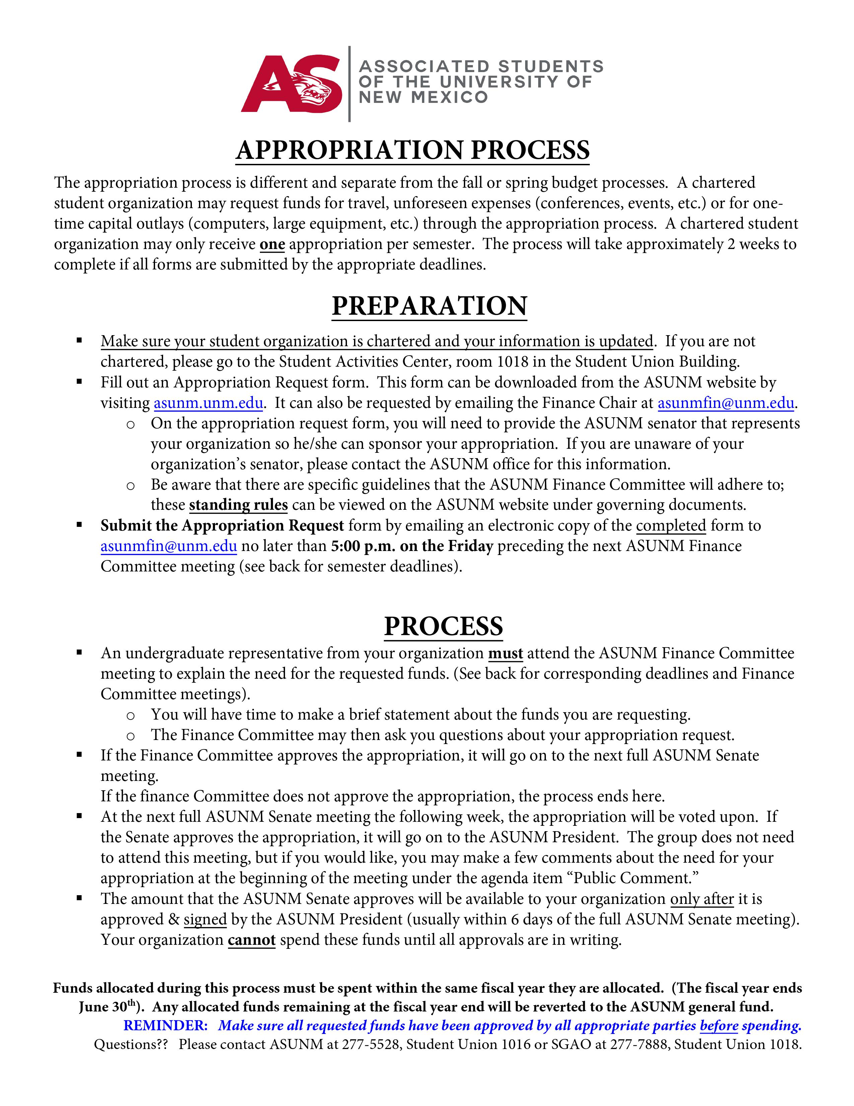

Schedule
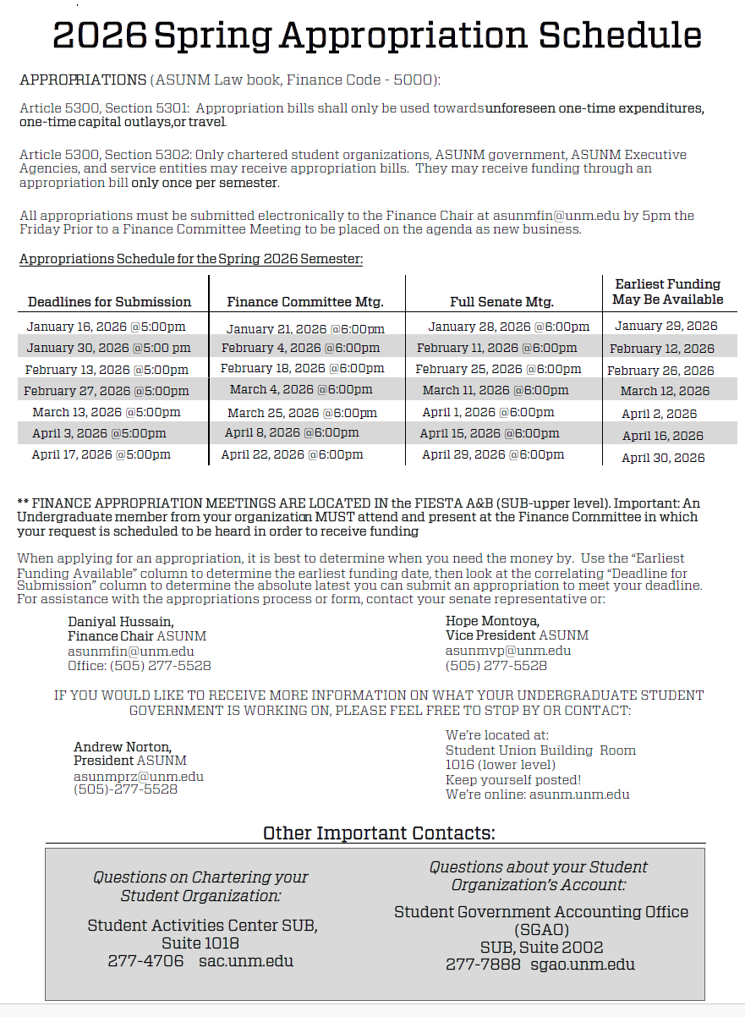

Questionaire (required)
Reminder: You MUST also fill out the Detail Sheet on the next tab.
Save ONLY as an Excel file.

Save file with your organization's name, e.g., The Lobo Club

SENATE APPROPRIATIONS BILL FUNDING REQUEST

CONTACT INFORMATION

Index Number (if Known) / Name of Organization |  |  |  |  |  |  | Date

Campus Address |  |  |  |  |  |  | Sponsoring Senator (select from Senator tab)

Primary Contact Name |  |  |  | Phone Number |  |  | Email Address

Secondary Contact Name |  |  |  | Phone Number |  |  | Email Address

Website or Facebook page (paste link)

Number of Active Members
 |  | Undergraduate |  |  | Graduate |  |  | Other

STUDENT ORGANIZATION INFORMATION (Please select all of the following that apply).
The student group requesting appropriation funding:

If your student group received previous funding (Budget or Appropriation) from ASUNM, please provide information regarding
(1) appropriation or budget {or both}, (2) the amount approved, (3) the semester applied, and (4) why additional funding is necessary:
Please visit the Student Government Accounting Office for more information about your student organization account.

Please select and describe what your student group is requestiong funds for:

 | Travel |  | One-time capital outlay (e.g., Computer) |  |  | One-time expenditure (e.g., Event)
Description of Request: (For travel requests, please include dates and location)

For travel requests, please list the names of students traveling from your organization

How were these students selected for travel on behalf of your organziation?

 | TOTAL APPROPRIATION REQUEST AMOUNT: |  |  |  | $0.00

Requests must be filled out completely including the detail sheet and submitted to the Chair, via email
(asunmfin@unm.edu) no later than 5:00 PM ON THE FRIDAY BEFORE the scheduled committee meeting.

